Dashboard
PLANET DATA VISUALIZATION DASHBOARD

TOTAL PLANETS |  |  | HIGHEST MASS |  | LOWEST MASS |  | AVERAGE MASS
5,986 |  |  | GJ 2030 Ac (12.93 Mj) |  | LHS 1678 b (0.00019 Mj) |  | 1.4925 Mj

Confirmed exoplanets in dataset |  |  | Most massive confirmed planet |  | Least massive confirmed planet |  | Mean across all measured planets

AVERAGE RADIUS |  | MEDIAN MASS |  | MASS–RADIUS CORR. |  | MASS DATA COVERAGE | RADIUS DATA COVERAGE
0.4015 Rj |  | 0.3700 Mj |  | 0.417 |  | 34.7% | 76.3%

Mean radius, Jupiter units |  | Robust central tendency |  | Pearson correlation coefficient |  | Planets with measured mass | Planets with measured radius
EXOPLANET EXPLORER

Planet Mass Classification
 | Planet Count
Sub-Neptune (< 0.1 Mj) | 817
Neptune-like (0.1 – 0.5 Mj) | 302
Saturn-like (0.5 – 1 Mj) | 296
Jupiter-like (1 – 2 Mj) | 222
Super-Jupiter (> 2 Mj) | 442
Distribution & Composition
Number of Planets by Planet Status
 | Number of Planets
Confirmed | 5986

Top Planets by Size
Top 10 Planets by Mass
 | Mass (Mj)
GJ 2030 Ac | 12.934
HATS-70 b | 12.900
TOI-4603 b | 12.890
HD 11506 d | 12.800
HD 128717 b | 12.800
TIC 4672985 | 12.740
pi Men b | 12.600
HD 149806 Ab | 12.597
2MASS J2236+4751 b | 12.500
TOI-4987 b | 12.370
Top 10 Planets by Radius
 | Radius (Rj)
HD 100546 b | 6.900
KOI-7073 b | 2.699
Kepler-450 Ac | 2.590
ROXs 42B (AB)b | 2.500
SOI-2 b | 2.220
XO-6 b | 2.170
HAT-P-67 Ab | 2.140
TOI-3540 b | 2.100
HIP 65 Ab | 2.030
TOI-3807 b | 2.000

Relationships & Data Quality
Relationship Between Planet Mass and Radius
 | Planets
5.743 | 1.152
9.866
8.9
7.9
0.031
4
9
10
12.5
4.1 | 1.11
0.47 | 1.9
0.23
0.84
0.02703 | 0.1737
...
Outlier Rate by Field (1.5×IQR Method)
 | Outlier %
Mass | 13.52%
Mass·sin(i) | 10.48%
Radius | 19.18%

Key Findings :
• Dataset covers 5,986 confirmed exoplanets; every record carries planet_status = Confirmed.

• Most massive planet: GJ 2030 Ac at 12.934 Jupiter masses; least massive: LHS 1678 b at 0.00019 Jupiter masses.

• Mean planet mass is 1.4925 Mj vs. a median of 0.3700 Mj — the large mean/median gap signals a right-skewed distribution driven by a minority of giant planets.

• Mass and radius show a moderate positive correlation (r = 0.417); bigger planets tend to be heavier, but the relationship is far from linear across the full mass range.

• Mass data is available for 34.7% of planets and radius for 76.3% — coverage gaps should be kept in mind when generalizing findings.

• IQR-based outlier screening flags 13.5% of mass values and 19.2% of radius values as statistical outliers — mostly ultra-massive or ultra-large planets.

• See the Mass Classification and Radius Classification sheets for a full breakdown of planet types (Sub-Neptune through Super-Jupiter).

Data Visualization & Dashboard | Cleaned Dataset Analysis

HIGHEST MASS PLANET HATS-70 b Mass: 12.9000 | LOWEST MASS PLANET LHS 1678 b Mass: 0.00019 |  | AVERAGE MASS 0.9240 Jupiter masses | AVERAGE RADIUS 0.7116 Jupiter radii | VALID PLANETS 1,588 Mass + radius records

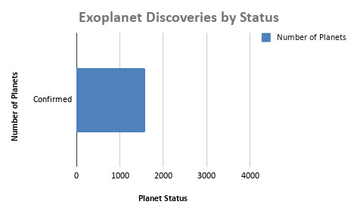
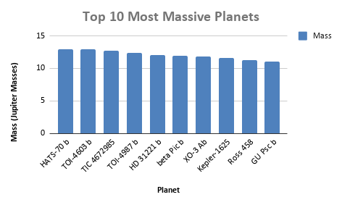

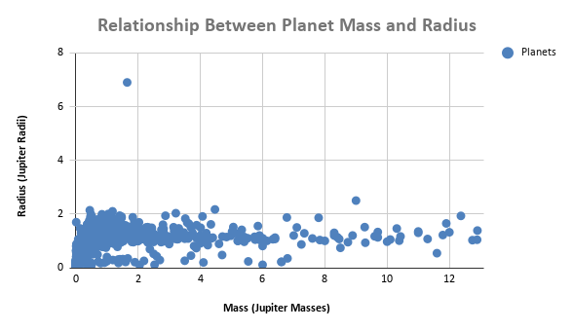

 |  |  |  |  |  |  |  | KEY FINDINGS
 |  |  |  |  |  |  |  | • Highest mass: HATS-70 b (12.9000)

